Sheet1
BRAND | GENDER | SEASON | PHOTO | ARTICLE CODE | DESCRIPTION | COLOR | MACRO | SIZE | BARCODE | QTY | RETAIL UNIT | RETAIL TOTAL
PINKO UP | DONNA | PRIMAVERA / ESTATE | 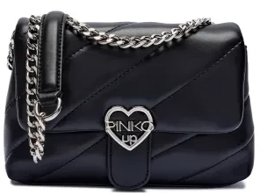 | P0148064 | BORSA ECOPELLE RAGAZZA | 110 NERO/BLACK | BORSE | OS | 8056662001291 | 105 | 159.00 € | 16,695.00 €
PINKO UP | DONNA | PRIMAVERA / ESTATE | 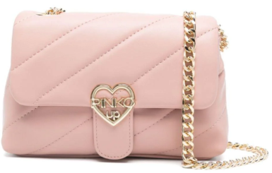 | P0148065 | BORSA ECOPELLE RAGAZZA | 261 ROSOLIO | BORSE | OS | 8056662001307 | 16 | 159.00 € | 2,544.00 €
PINKO UP | DONNA | PRIMAVERA / ESTATE | 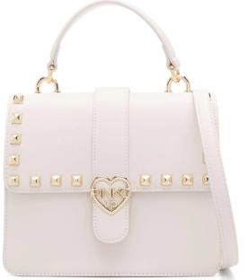 | P0148066 | BORSA ECOPELLE RAGAZZA | 013 CREMA/CREAM | BORSE | OS | 8056662001314 | 7 | 149.00 € | 1,043.00 €
PINKO UP | DONNA | AUTUNNO / INVERNO | 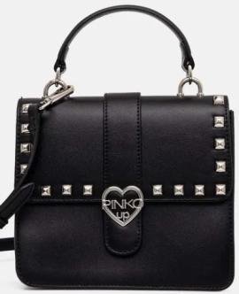 | P0148067 | BORSA ECOPELLE RAGAZZA | 110 NERO/BLACK | BORSE | OS | 8056662001321 | 450 | 149.00 € | 67,050.00 €
PINKO UP | DONNA | AUTUNNO / INVERNO |  | P0153160 | BORSA ECOPELLE RAGAZZA | 110 NERO/BLACK | BORSE | OS | 8052539674032 | 478 | 149.00 € | 71,222.00 €
PINKO UP | DONNA | PRIMAVERA / ESTATE |  | P0153161 | BORSA ECOPELLE RAGAZZA | 044 FUCSIA/FUCHSIA | BORSE | OS | 8056662001277 | 116 | 129.00 € | 14,964.00 €
PINKO UP | DONNA | PRIMAVERA / ESTATE |  | P0153162 | BORSA ECOPELLE RAGAZZA | 110 NERO/BLACK | BORSE | OS | 8056662001284 | 435 | 129.00 € | 56,115.00 €
PINKO UP | DONNA | PRIMAVERA / ESTATE |  | P0161196 | BORSA PVC GOMMATO RAGAZZA | 134 FUCSIA FLUO | BORSE | OS | 8052539782768 | 271 | 139.00 € | 37,669.00 €
PINKO UP | DONNA | PRIMAVERA / ESTATE | 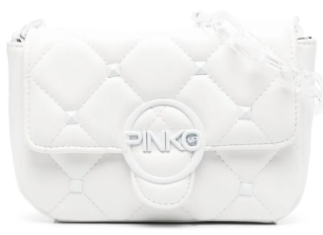 | P0161197 | BORSA ECOPELLE RAGAZZA | 001 BIANCO/WHITE | BORSE | OS | 8052539673967 | 232 | 139.00 € | 32,248.00 €
PINKO UP | DONNA | PRIMAVERA / ESTATE |  | P0161198 | BORSA ECOPELLE RAGAZZA | 042 ROSA/PINK | BORSE | OS | 8052539673974 | 270 | 139.00 € | 37,530.00 €
PINKO UP | DONNA | PRIMAVERA / ESTATE | 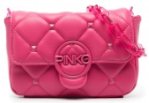 | P0161199 | BORSA ECOPELLE RAGAZZA | 044 FUCSIA/FUCHSIA | BORSE | OS | 8052539673981 | 258 | 139.00 € | 35,862.00 €
PINKO UP | DONNA | PRIMAVERA / ESTATE |  | P0161200 | BORSA ECOPELLE RAGAZZA | 110 NERO/BLACK | BORSE | OS | 8052539673998 | 215 | 139.00 € | 29,885.00 €
PINKO UP | DONNA | PRIMAVERA / ESTATE | 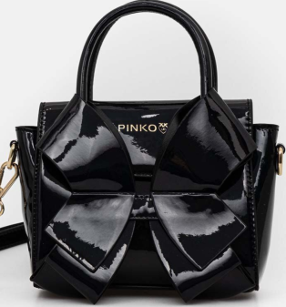 | P0161201 | ECOFRIENDLY LEATHER BAG GIRL | 110 NERO/BLACK | BORSE | OS | 8056662001338 | 211 | 169.00 € | 35,659.00 €
 |  |  |  |  |  |  |  |  |  | 3,064 |  | 438,486.00 €

